INTRODUCTION
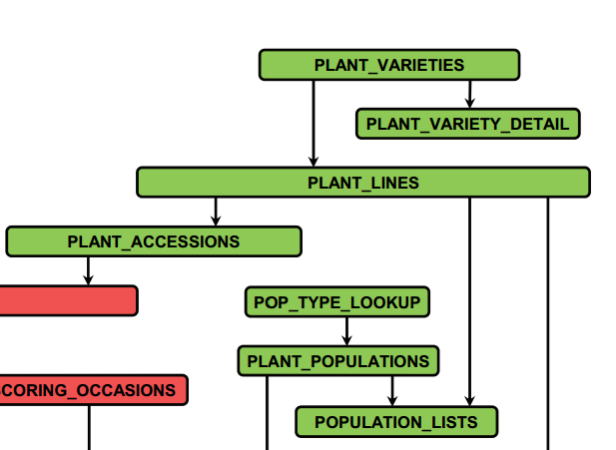

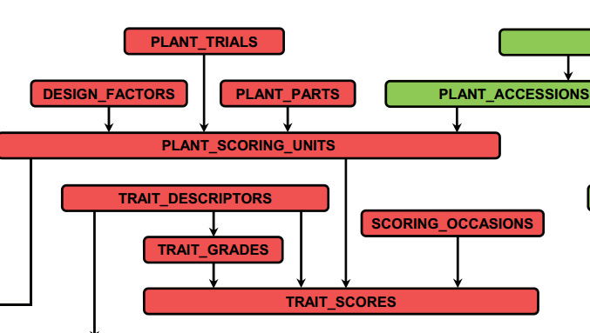

 |  |  | Suggested curation order….
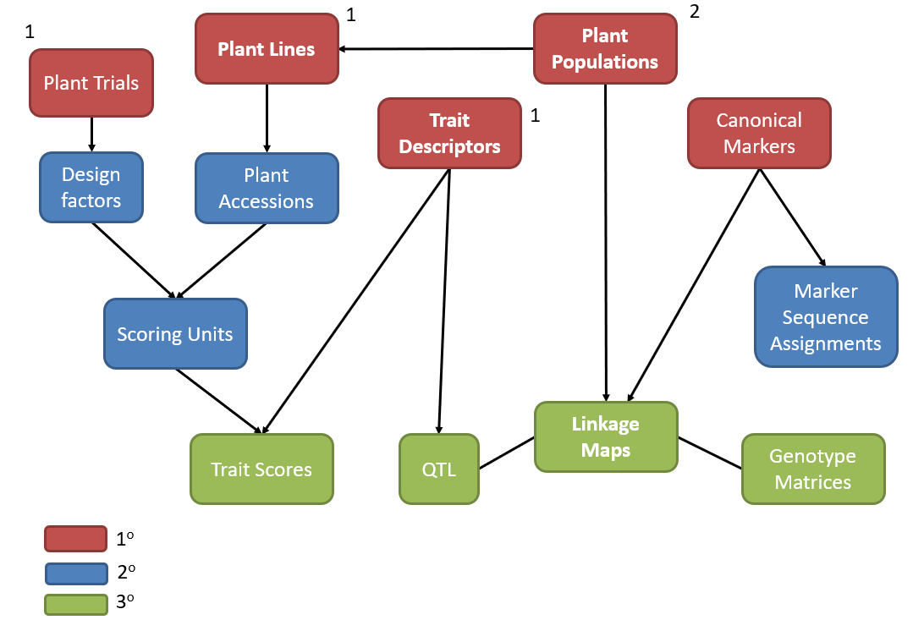

 | trait_module | plant_module

CropStoreDB was also used as basis for Brassica Information Portal (developed Earlham, now offline)
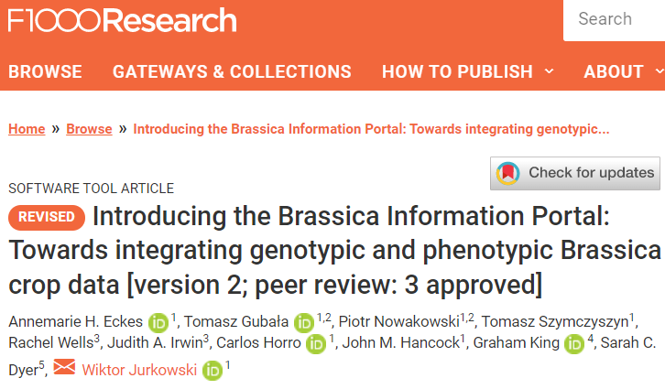

Leibovici DG, Meek S, Anand S, Santos R, Morley J, Jackson MJ, Mayes S, Ray R, Hodgman C, Baten A., King GJ, Brailsford T, Vu T, Karunaratne AS, Azman R, Walker S, Azam-Ali S (2017) Geospatial binding for transdisciplinary research in crop science: the GRASP-GFS initiative. In Advances in Geospatial Technology series; eds; Avraam Mavridis and Ioannis Ifadis; IGI Global. doi: 10.1186/s40965-017-0034-3.

Love, C, Andongabo, A, Wang, J, Carion, P, Rawlings, C, King, GJ 2012, InterstoreDB: a generic integration resource for genetic and genomic data, Journal of Intergrative Plant Biology, 54(5), 345-355

MIAPPE alignment
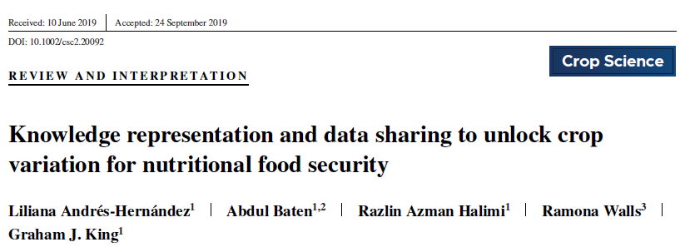
CropStoreDB equivalence |  | MIAPPE |  |  |  |  | This sheet published as Supplemental table S4. Mapping of CropStoreDB with MIAPPE. The checklist template was downloaded from the following link: https://github.com/MIAPPE/MIAPPE
 | line # | MIAPPE Check list | Definition | Example | Format | Cardinality
 | DM-1 | Investigation | Investigations are research programmes with defined aims. They can exist at various scales (for example, they could encompass a grant-funded programme of work, the various components comprising a peer-reviewed publication, or a single experiment). |  |  | 1 per MIAPPE submission
n/a | DM-2 | Investigation unique ID | Identifier comprising the unique name of the institution/database hosting the submission of the investigation data, and the accession number of the investigation in that institution. | EBI:12345678 | Unique identifier | 0-1
n/a | DM-3 | Investigation title | Human-readable string summarising the investigation. | CropStoreDB | Free text (short) | 1
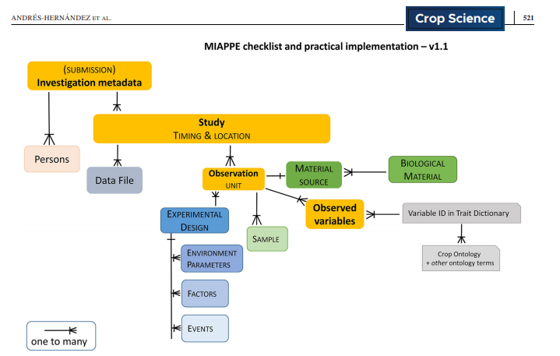
n/a | DM-4 | Investigation description | Human-readable text describing the investigation in more detail. | In order to maximize the impact of high quality crop science, there is a continuing need for explicit management of complex datasets relating to plant and crop genetics. We are addressing the first stage in dataset curation and dissemination, by providing a data model and tools that reflect the relationships understood and manipulated by researchers and breeders. | Free text | 0-1
n/a | DM-5 | Submission date | Date of submission of the dataset presently being described to a host repository. | 2012-12-17 | Date/Time (ISO 8601, optional time zone) | 0-1
n/a | DM-6 | Public release date | Date of first public release of the dataset presently being described. | 2013-02-25 | Date/Time (ISO 8601, optional time zone) | 0-1
n/a | DM-7 | License | License for the reuse of the data associated with this investigation. The Creative Commons licenses cover most use cases and are recommended. | CC BY-SA 4.0, Unreported | Unique identifier | 0-1
1.1 | DM-8 | MIAPPE version | The version of MIAPPE used. | 1.1 | Version number | 1
n/a | DM-9 | Associated publication | An identifier for a literature publication where the investigation is described. Use of DOIs is recommended. | https://doi.org/10.12688/f1000research.11301.2 | DOI | 0+
 | DM-10 | Study | A study (or experiment) comprises a series of assays (or measurements) of one or more types, undertaken to answer a particular biological question. |  |  | 1+ per investigation
plant_trials.plant_trial_id | DM-11 | Study unique ID | Unique identifier comprising the name or identifier for the institution/database hosting the submission of the study data, and the identifier of the study in that institution. | http://www.cropstoredb.org/ | Unique identifier | 0-1
plant_trials.project_descriptor | DM-12 | Study title | Human-readable text summarising the study | Introducing the Brassica Information Portal: Towards integrating genotypic and phenotypic Brassica crop data. | Free text (short) | 1
plant_trials.plant_trial_description | DM-13 | Study description | Human-readable text describing the study | There are four input workbook corresponding to the three primary modules of the database (cs_plants (including traits), cs_linkage_maps (including map loci, QTL), cs_markers (including alleles and genotypes) and one for auxiliary/additional data tables. Each worksheet corresponds directly to a SINGLE table within the database, and each column a field. Below we provide guidelines on how to use these input templates | Free text | 0-1
plant_trials.trial_year | DM-14 | Start date of study | Date and, if relevant, time when the experiment started | 2014-04-02 | Date/Time (ISO 8601, optional time zone) | 1
n/a | DM-15 | End date of study | Date and, if relevant, time when the experiment ended |  | Date/Time (ISO 8601, optional time zone) | 0-1
plant_trial.institute_id | DM-16 | Contact institution | Name and address of the institution responsible for the study. | UoN, CFF | Free text (short) | 1
plant_trial.trial_location | DM-17 | Geographic location (country) | The country where the experiment took place, either as a full name or preferably as a 2-letter code. | UK, Africa | Country name or 2-letter code (ISO 3166) | 1
plant_trials.trial_location_site_name | DM-18 | Experimental site name | The name of the natural site, experimental field, greenhouse, phenotyping facility, etc. where the experiment took place. | Agronomy Bay, UK, Notwane Farm, Gabarone, Botswana | Free text (short) | 1
plant_trials.latitude | DM-19 | Geographic location (latitude) | Latitude of the experimental site in degrees, in decimal format. |  | Degrees in the decimal format (ISO 6709) | 0-1 (1 if longitude is provided)
plant_trials.longitude | DM-20 | Geographic location (longitude) | Longititute of the experimental site in degrees, in decimal format. |  | Degrees in the decimal format (ISO 6709) | 0-1 (1 if latitude is provided)
plant_trials.altitude | DM-21 | Geographic location (altitude) | Altitude of the experimental site, provided in metres (m). |  | Numeric + unit abbreviation | 0-1
plant_trials.design_type, plant_trials.statistical_factors, plant_trials.design_factors, plant_trials.design_layout_matrix | DM-22 | Description of the experimental design | Short description of the experimental design, possibly including statistical design. In specific cases, e.g. legacy datasets or data computed from several studies, the experimental design can be "unknown"/"NA", "aggregated/reduced data", or simply 'none'. | Glass house experiments in Agronomy Bay, UK to study morphological and genetic studies of 35 landraces. Each landrace was planted in replicates of 3. Field trials in Gabaone, Botswana to study morhological and genetic diversity of 31 single genotype plants. Each plant was picked from one of three plants (A,B,C) from the lines tested in Agronomy Bay | Free text | 1
plant_trials.design_type | DM-23 | Type of experimental design | Type of esperimental design of the study, in the form of an accession number from the Crop Ontology. | CO_715:0000145 | Crop Ontology term (subclass of "CO_715:0000003") | 0-1
plant_trials.design_factors | DM-24 | Observation unit level hierarchy | Hierarchy of the different levels of repetitions between each others | block>rep>plot | Formatted text (level>level) | 0-1
n/a | DM-25 | Observation unit description | General description of the observation units in the study. | Observation units consisted in individual plots themselves consisting of a row of 15 plants at a density of approximately six plants per square meter. NA | Free text | 1
plant_trials.plant_trial_descriptor | DM-26 | Description of growth facility | Short description of the facility in which the study was carried out. | Glass house condition and field environment condition | Free text (short) | 1
n/a | DM-27 | Type of growth facility | Type of growth facility in which the study was carried out, in the form of an accession number from the Crop Ontology. Same as before | CO_715:0000162 | Crop Ontology term (subclass of "CO_715:0000005") | 0-1
n/a | DM-28 | Cultural practices | General description of the cultural practices of the study. | Irrigation was applied according needs during summer to prevent water stress. | Free text | 0-1
plant_trials.design_layout_matrix | DM-29 | Map of experimental design | Representation of the experimental design. | https://urgi.versailles.inra.fr/files/ephesis/181000503/181000503_plan.xls | URL or File name (of gis or tabular file like csv or tsv) | 0+
 | DM-30 | Person | A human involved in the investigation or specifically any of its studies. |  |  | 1+ per investigation / 0+ per study
cs_people.full_name | DM-31 | Person name | The name of the person (either full name or as used in scientific publications) | Sean Mayes, Razlin Azman | Name | 1
cs_people.person_id | DM-32 | Person email | The electronic mail address of the person. | sean.mayes@cffresearch.org, razlin.azman@cffresearch.org, odireleng.molosiwa@gmail.com | email address | 0-1
cs_people.person_id | DM-33 | Person ID | An identifier for the data submitter. If that submitter is an individual, ORCID identifiers are recommended. | orcid.org/0000-0003-4770-3662 | Unique identifier | 0-1
cs_people.role | DM-34 | Person role | Type of contribution of the person to the investigation | author; data submitter; described by whom | Free text (short) | 1+
cs_people.current_institution_id | DM-35 | Person affiliation | The institution the person belongs to | Associate Professor, UoN. Research Theme Leader/Programme Director, CFF. | Free text (short) | 1+
 | DM-36 | Data File | A file or digital object holding observation data recorded during one or more assays of the study, typically in tabular form. Multiple data files may be provided per study, and each file can include observations for several observation units and several observed variables. |  |  | 0+ per study
n/a | DM-37 | Data file link | Link to the data file (or digital object) in a public database or in a persistant institutional repository; or identifier of the data file when submitted together with the MIAPPE submission. | http://www.cropstoredb.org/ | URL or File name | 1
n/a | DM-38 | Data file description | Description of the format of the data file. May be a standard file format name, or a description of organization of the data in a tabular file. | FASTA tab-delimited column headers headers: 1. A 2. B 3. C | Free text (short) | 1
n/a | DM-39 | Data file version | The version of the dataset (the actual data). |  | Software version number | 1
 | DM-40 | Biological Material | The biological material being studied (e.g. plants grown from a certain bag or seed, or plants grown in a particular field). The original source of that material (e.g., the seeds or the original plant cloned) is called the material source, which, when held by a material repository, should have its stock identified. |  |  | 1+ per study; 0+ per observation unit
plant_scoring_units.scoring_unit_id | DM-41 | Biological material ID | Code used to identify the biological material in the data file. Should be unique within the Investigation. Can correspond to experimental plant ID, seed lot ID, etc… This material identification is different from a BiosampleID which corresponds to Observation Unit or Samples sections below. | su_NOTT_08_0030009_01 | Unique identifier | 1
plant_line.genus, plant_line.species | DM-42 | Organism | An identifier for the organism at the species level. Use of the NCBI taxon ID is recommended. | NCBI:115715 | Unique identifier | 1
plant_line.genus | DM-43 | Genus | Genus name for the organism under study, according to standard scientific nomenclature. | Vigna | Genus name | 0-1
plant_line.species | DM-44 | Species | Species name (formally: specific epithet) for the organism under study, according to standard scientific nomenclature. | Vigna subterranea | Species name | 0-1
plant_line.subtaxa | DM-44' | Infraspecific name | Name of any subtaxa level, including variety, crossing name, etc. It can be used to store any additional taxonomic identifier. Either free text description or key-value pair list format (the key is the name of the rank and the value is the value of the rank). Ranks can be among the following terms: subspecies, cultivar, variety, subvariety, convariety, group, subgroup, hybrid, line, form, subform. For MCPD compliance, the following abbreviations are allowed: ‘subsp.’ (subspecies); ‘convar.’ (convariety); ‘var.’ (variety); ‘f.’ (form); ‘Group’ (cultivar group). |  | Free text, or key-value pair list, or MCPD-compliant format | 0-1
plant_accessions.latitude | DM-45 | Biological material latitude | Latitude of the studied biological material. [Alternative identifier for in situ material] | +39.067 | Degrees in the decimal format (ISO 6709) | 0-1 (1 if longitude is provided)
plant_accessions.longitud | DM-46 | Biological material longitude | Longitude of the studied biological material. [Alternative identifier for in situ material] | -8.73 | Degrees in the decimal format (ISO 6709) | 0-1 (1 if latitude is provided)
plant_accessions.elevation | DM-47 | Biological material altitude | Altitude of the studied biological material, provided in meters (m). [Alternative identifier for in situ material] |  | Numeric + unit abbreviation | 0-1
n/a | DM-48 | Biological material coordinates uncertainty | Circular uncertainty of the coordinates, preferably provided in meters (m). [Alternative identifier for in situ material] | 200 m | Numeric | 0-1
trait_descriptors.materials | DM-49 | Biological material preprocessing | Description of any process or treatment applied uniformely to the biological material, prior to the study itself. Can be provided as free text or as an accession number from a suitable controlled vocabulary. | EO:0007210 - PVY(NTN); transplanted from study http://phenome-fppn.fr/maugio/2013/t2351 observation unit ID: pot:894 | Plant Environment Ontology and/or free text | 0+
plant_trials.institute_id:plant_accessions.plant_accession | DM-50 | Material source ID (Holding institute/stock centre, accession) | An identifier for the source of the biological material, in the form of a key-value pair comprising the name/identifer of the repository from which the material was sourced plus the accession number of the repository for that material. Where an accession number has not been assigned, but the material has been derived from the crossing of known accessions, the material can be defined as follows: "mother_accession X father_accession", or, if father is unknown, as "mother_accession X UNKNOWN". For in situ material, the region of provenance may be used when an accession is not available. | INRA:W95115_inra ICNF:PNB-RPI | Unique identifier | 0-1
n/a | DM-51 | Material source DOI | Digital Object Identifier (DOI) of the material source | doi:10.15454/1.4658436467893904E12 | DOI | 0-1
n/a | DM-52 | Material source latitude | Latitude of the material source. [Alternative identifier for in situ material] | +39.067 | Degrees in the decimal format (ISO 6709) | 0-1 (1 if longitude is provided)
n/a | DM-53 | Material source longitude | Longitude of the material source. [Alternative identifier for in situ material] | -8.73 | Degrees in the decimal format (ISO 6709) | 0-1 (1 if latitude is provided)
n/a | DM-54 | Material source altitude | Altitude of the material source, provided in metres (m). [Alternative identifier for in situ material] | 10 m | Numeric + unit abbreviation | 0-1
n/a | DM-55 | Material source coordinates uncertainty | Circular uncertainty of the coordinates, provided in meters (m). [Alternative identifier for in situ material] | Latitude:+2.341; row:4 ; X:3; Y:6; Xm:35; Ym:65; Block:1; Plot:894 | Numeric + unit abbreviation | 0-1
n/a | DM-56 | Material source description | Description of the material source | Each landrace was planted in replicates of 3. Each plant was picked from one of three plants (A,B,C) from the lines tested in Agronomy Bay. | Free text | 0-1
 | DM-57 | Environment | Environmental parameters that were kept constant throughout the study and did not change betweeen observation units or assays. Environment characteristics that vary over time, i.e. environmental variables, should be recorded as Observed Variables (see below). |  |  | 0-1 per study
n/a | DM-58 | Environment parameter | Name of the environment parameter constant within the experiment. | sowing density rooting medium composition; pH | Free text (see Appendix I) | 1+
n/a | DM-59 | Environment parameter value | Value of the environment parameter (defined above) constant within the experiment. | 300 seeds per m2 Clay 50% plus sand; 6.5 | Free text | 1 per parameter
 | DM-60 | Experimental Factor | The object of a study is to ascertain the impact of one or more factors on the biological material. Thus, a factor is, by definition a condition that varies between observation units, which may be biotic (pest, disease interaction) or abiotic (treatment and cultural practice) in nature. Depending on the level of the data, an experimental factor can be either "what is the factor applied to the plant" (ie Unwatered), or the "environmental characterisation" (ie if no rain on unwatered plant : Drought ; if rain on unwatered plant: Irrigated) |  |  | 0+ per study; 0+ per observation unit
n/a | DM-61 | Experimental Factor type | Name/Acronym of the experimental factor. | Watering | Free text (see Appendix II) | 1
n/a | DM-62 | Experimental Factor description | Free text description of the experimental factor. This include all relevant treatments planification and protocol planed for all the plant targeted by a given experimental factor. | Daily watering 1 L per plant. | Free text | 0-1
n/a | DM-63 | Experimental Factor values | List of possible values for the factor. | Watered; Unwatered | Free text | 2+ per factor
 | DM-64 | Event | An event is discrete occurrence at a particular time in the experiment (which can be natural, such as rain, or unnatural, such as planting, watering, etc). Events may be the realization of Factors or parts of Factors, or may be confounding to Factors. Can be applied at the whole study level or to only a subset of observation units. |  |  | 0+ per study/observation unit
occasions | DM-65 | Event type | Short name of the event. |  | Free text (short) | 1
n/a | DM-66 | Event acession number | Accession number of the event type in a suitable controlled vocabulary (Crop Ontology). |  | Crop Ontology term (subclass of CO_715:0000006) | 0-1
n/a | DM-67 | Event description | Description of the event, including details such as amount applied and possibly duration of the event. | Sowing using seed drill Fertilizer application: Ammonium nitrate at 3 kg/m2 | Free text | 0-1
occasions.start_date,occasions.end_date | DM-68 | Event date | Date and time of the event. | 9/04/2014, 2/04/2014 | Date/Time (ISO 8601, optional time zone) | 1+
 | DM-69 | Observation Unit | Observation units are objects that are subject to particular instances of observsation and measurement. An observation unit comprises one or more plants, and their environment. Synonym : Experimental unit. |  |  | 1+ per study
plant_scoring_units.scoring_unit_id | DM-70 | Observation unit ID | Identifier used to identify the observation unit in data files containing the values observed or measured on that unit. Must be locally unique. | plot:894 | Unique identifier | 1
plant_scoring_units.number_units_scored, plant_scoring_units.scoring_unit_sample_size, plant_scoring_units.scoring_unit_frame_size | DM-71 | Observation unit type | Type of observation unit in textual form, usually one of the following: block, sub-block, plot, plant, trial, pot, replication or replicate, individual, virtual_trial, unit-parcel | Glass house condition and field environment condition | Free text | 1
n/a | DM-72 | External ID | Identifier for the observation unit in a persistant repository, comprises the name of the repository and the identifier of the observation unit therein. The EBI Biosamples repository can be used. URI are recommended when possible. | Biosamples:SAMEA4202911 | Unique identifier | 0+
plant_scoring_units.scoring_unit_frame_size, may also relates to design factors | DM-73 | Spatial distribution | Type and value of a spatial coordinate (georeference or relative) or level of observation (plot 45, subblock 7, block 2) provided as a key-value pair of the form type:value. Levels of observation must be consistent with those listed in the Study section. | Latitude:+2.341; row:4 ; X:3; Y:6; Xm:35; Ym:65; Block:1; Plot:894 | Formatted text (Key:value) | 0+
design_factors.* | DM-74 | Observation Unit factor value | List of values for each factor applied to the observation unit. | Watered | Free text | 0+
 | DM-75 | Sample | A sample is a portion of plant tissue extracted from an observation unit for the purpose of sub-plant observations and/or molecular studies. A sample must be used when there is a physical sample that needs to be stored and traced. Otherwise, you can use directly variables on the Observation unit (Berry sugar content, Fruit weight, Grain Protein content) |  |  | 0+ per observation unit
plant_scoring_units.scoring_unit_id | DM-76 | Sample ID | Unique identifier for the sample. | Trait_descriptor_id | Unique identifier | 1
trait_descriptors.stage_score | DM-77 | Plant structure development stage | The stage in the life of a plant structure during which the sample was taken, in the form of an accession number to a suitable controlled vocabulary (Plant Ontology, BBCH scale) | PO:0025340 gametophyte vegetative stage | Plant Ontology term (subclass or PO:0009012) or BBCH scale term | 0-1
plant_scoring_units.scored_plant_part | DM-78 | Plant anatomical entity | A description of the plant part (e.g. leaf) or the plant product (e.g. resin) from which the sample was taken, in the form of an accession number to a suitable controlled vocabulary (Plant Ontology). | PO:0009025, TO:0000766, PO:0009053, PO:0009010, CO_343:0000072 | Plant Ontology term (subclass of PO:0025131) | 1
trait_descriptors.materials | DM-79 | Sample description | Any information not captured by the other sample fields, including quantification, sample treatments and processing. | trait_description | Free text | 0-1
n/a | DM-80 | Collection date | The date and time when the sample was collected / harvested | 2/04/2014, 9/04/2014 | Date/Time | 1
n/a | DM-81 | External ID | An identifier for the sample in a persistant repository, comprising the name of the repository and the accession number of the observation unit therein. Submission to the EBI Biosamples repository is recommended. URI are recommended when possible. | Biosamples:SAMEA4202911 | Unique identifier | 0+
 | DM-82 | Observed Variable | An observed variable describes how a measurement has been made. It typically takes the form of a measured characteristic of the observation unit (plant or environmental trait), associated to the method and unit of measurement. |  |  | 1+ per study
trait_descriptors.trait_descriptor_id | DM-83 | Variable ID | Code used to identify the variable in the data file. We recommend using a variable definition from the Crop Ontology where possible. Otherwise, the Crop Ontology naming convention is recommended: <trait abbreviation>_<method abbreviation>_<scale abbreviation>). A variable ID must be unique within a given investigation. | TLfltLng_M_mm | Unique identifier | 1
n/a | DM-84 | Variable name | Name of the variable. |  | Free text | 0-1
n/a | DM-85 | Variable accession number | Accession number of the variable in the Crop Ontology |  | Crop Ontology term | 0-1
trait_descriptors.descriptor_name | DM-86 | Trait | Name of the (plant or environmental) trait under observation |  | Free text | 1
n/a | DM-87 | Trait accession number | Accession number of the trait in a suitable controlled vocabulary (Crop Ontology, Trait Ontology). |  | Term from Plant Trait Ontology, Crop Ontology, or XML Environment Ontology | 0-1
trait_descriptors.scoring_method | DM-88 | Method | Name of the method of observation | Measurement | Free text | 1
n/a | DM-89 | Method accession number | Accession number of the method in a suitable controlled vocabulary (Crop Ontology, Trait Ontology). |  | Term from Plant Trait Ontology, Crop Ontology, or XML Environment Ontology | 0-1
trait_descriptors.scoring_method | DM-90 | Method description | Textual description of the method, which may extend a method defined in an external reference with specific parameters, e.g. growth stage, inoculation precise organ (leaf number) | Length of median leaflet at the fourth internode | Free text | 0-1
trait_descriptors. | DM-91 | Reference associated to the method | URI/DOI of reference describing the method. |  | URI or DOI | 0-1
trait_descriptors.units_of_measurements, trait_grades.trait_grade | DM-92 | Scale | Name of the scale associated with the variable | mm | Unique identifier | 1
n/a | DM-93 | Scale accession number | Accession number of the scale in a suitable controlled vocabulary (Crop Ontology). |  | Crop Ontology term | 0-1
trait_descriptors.timing | DM-94 | Time scale | Name of the scale or unit of time with which observations of this type were recorded in the data file (for time series studies). | Numerical | Free text | 0+

